Tasks
Minimum List of Group Project Task |  | EEET2580 Teamwork Contribution Document
You should add more based on your group's work |  | SQUAD Samson - TEAM Job Manager
Design ERD |  | Name: Tran Minh Triet |  |  | Name: To Nhat Duy |  |  | Name: Tran Kiem Phuc |  |  | Name: Pham Quang Huy |  |  | Name: Vo Phuc Duy Nhat
Refine ERD |  | Assigned Tasks | Target Date | Date Completed | Assigned Tasks | Target Date | Date Completed | Assigned Tasks | Target Date | Date Completed | Assigned Tasks | Target Date | Date Completed | Assigned Tasks | Target Date | Date Completed
 | MILESTONE 1
Review ERD | ERD Design | Draft and Plan ERD | 2025-10-11 | 13/11/2025 | Draft relationships between entities | 2025-10-11 | 13/11/2025 |  |  |  | Review ERD | 2025-10-11 | 13/11/2025 | Review ERD | 2025-10-11 | 13/11/2025
 |  | Refine ERD with whole system | 14/11/2025 | 15/11/2025 | Define data types for attributes | 14/11/2025 | 15/11/2025 |  |  |  | Refine ERD | 14/11/2025 | 15/11/2025 | Refine ERD | 14/11/2025 | 15/11/2025
Design System Architecture for Level X Requirement RXY
Refine System Architecture for Level X Requirement RXY | Architecture Design | Draft System Context Diagram for FE | 19/11/2025 | 19/11/2025 | Draft System Context diagram for Backend | 19/11/2025 | 19/11/2025 | Draft Component diagram for Backend | 19/11/2025 | 19/11/2025 | Review Backend Component diagrams | 20/11/2025 | 20/11/2025 | Draft System Context Diagram for Frontend | 19/11/2025 | 19/11/2025
Review System Architecture for Level X Requirement RXY |  | Draft Container Diagram for FE | 19/11/2025 | 19/11/2025 | Draft Container diagram for Backend | 19/11/2025 | 19/11/2025 | Review Backend Component diagram | 19/11/2025 | 19/11/2025 | Refine Backend Component diagrams | 22/11/2025 | 24/11/2025 | Draft Container Diagram for Frontend | 19/11/2025 | 19/11/2025
 |  | Draft Component Diagram for FE | 19/11/2025 | 19/11/2025 |  |  |  | Writing Backend planning document | 18/11/2025 | 19/11/2025 | Review Backend Containers diagrams | 20/11/2025 | 20/11/2025 | Review Frontend Component Diagrams | 20/11/2025 | 20/11/2025
Design UX/UI for Level X Requirement RXY |  | Refine Component Diagram for FE | 20/11/2025 | 20/11/2025 | Review Backend Component diagrams | 20/11/2025 | 20/11/2025 | Conclusion of Report | 28/11/2025 | 28/11/2025 | Refine Backend Container diagrams | 22/11/2025 | 24/11/2025 | Document Justification of Frontend Architecture | 28/11/2025 | 28/11/2025
Refine UX/UI for Level X Requirement RXY |  | Document ER Model Diagram | 28/11/2025 | 28/11/2025 |  |  |  |  |  |  | Document Backend Container diagrams | 26/11/2025 | 28/11/2025 | Draft Component Diagram for Frontend | 19/11/2025 | 19/11/2025
Review UX/UI for Level X Requirement RXY |  | Document FE Component Diagram | 28/11/2025 | 28/11/2025 | Document description of Backend Container diagram | 28/11/2025 | 28/11/2025 |  |  |  | Document Backend Components diagrams | 26/11/2025 | 28/11/2025 | Refine Component Diagram for Frontend | 20/11/2025 | 20/11/2025
 |  | Document justification ER Model | 28/11/2025 | 28/11/2025 | Document justification of Backend architecture | 28/11/2025 | 28/11/2025 |  |  |  |  |  |  | Refine Container Diagram for Frontend | 20/11/2025 | 20/11/2025
HTML/CSS for Level X Requirement RXY |  | Refine justification FE architecture | 28/11/2025 | 28/11/2025 |  |  |  |  |  |  |  |  |  | Document Frontend Component Diagrams | 28/11/2025 | 28/11/2025
 |  | Refine Container Diagram for Frontend | 20/11/2025 | 20/11/2025 |  |  |  |  |  |  |  |  |  | Review Frontend Container Diagram | 20/11/2025 | 20/11/2025
 | MILESTONE 2
SQL Queries for Level X Requirement RXY | UX / UI Design | Flash Screen and Logo | 4/12/2025 | 4/12/2025 | UI/UX for Applicant Search Filter (including the search profile) | 2026-06-01 | 2026-06-01 |  |  |  |  |  |  | Company Registration Page - Auth Module | 2025-12-04 | 2025-12-06
 |  | Sign In - Auth Module | 8/12/2025 | 8/12/2025 |  |  |  |  |  |  |  |  |  | Applicants Page - Applicant Module | 2025-12-06 | 2025-12-10
Back-end Implementation for Level X Requirement RXY |  | Company Module (all) | 2025-12-05 | 2025-12-15 |  |  |  |  |  |  |  |  |  | Profile Management Page - Company Module | 2025-12-07 | 2025-12-10
 |  | JobPost Module (all) | 2025-12-10 | 2025-12-15 |  |  |  |  |  |  |  |  |  | Notification - Company Module | 2025-12-15 | 2026-01-10
Document [R0X] [Diagram/Justification] |  | Subscription Module (all)
Refine [R0X] [Diagram/Justification] |  | Payment Module (all)
Review [R0X] [Diagram/Justification] | Front-end Development | Company Module (all) | 2025-12-05 | 2025-12-15 | Front-end of Applicants Search | 2026-06-01 | 2026-06-01 |  |  |  | Job Post creation form validation | 2026-07-01 | 2026-09-01 | Company Registration Page - Auth Module | 2025-12-04 | 2025-12-06
 |  | JobPost Module (all) | 2025-12-10 | 2025-12-15 | Front-end of Applicants Search Profile | 2026-06-01 | 2026-06-01 |  |  |  |  |  |  | Applicants Page - Applicant Module | 2025-12-06 | 2025-12-10
Task of your own choice |  | Subscription Module (all) | 2025-12-19 | 2025-12-19 | Fixed front-end bug where after logging in, premium status of the user would only show after refreshing | 2026-10-01 | 2026-10-01 |  |  |  |  |  |  | Profile Management Page - Company Module | 2025-12-07 | 2026-01-11
 |  | Payment Module (all) | 2025-12-22 | 2025-12-22 | Front-end to display Applicant Profile data | 2026-10-01 | 2026-10-01 |  |  |  |  |  |  | Notification - Company Module | 15/12/2025 | 2025-12-17

 | Back-end Development | Full Backend Foundation | 2025-12-27 | 2025-12-27 | Back-end of Applicants Search | 2026-10-01 | 2026-10-01 |  |  |  | Job Post implementation | 2026-02-01 | 2026-06-01 | Company Backend Module | 2026-01-05 | 2025-01-13
 |  | Company Backend Module | 2025-12-27 | 2025-12-27 | Back-end of Applicants Search Profile | 25/12/2025 | 25/12/2025 |  |  |  | Company implementation | 26/12/2025 | 28/12/2025 | Auth Backend (Sign in Function) | 2026-01-11 | 2026-01-13
 |  | JobPost Backend Module | 2025-12-27 | 2026-01-10 | Back-end to call Applicant Profile data API from JA team | 2026-10-01 | 2026-10-01
 |  | Subscription Backend Module | 2025-12-28 | 2025-12-30
 |  | Payment Backend Module | 2025-12-28 | 2026-01-11
 |  | Notification Backend Module | 2026-01-11 | 2026-01-11
 |  | Admin Integrations | 2026-01-13 | 2026-01-13
 | Reporting

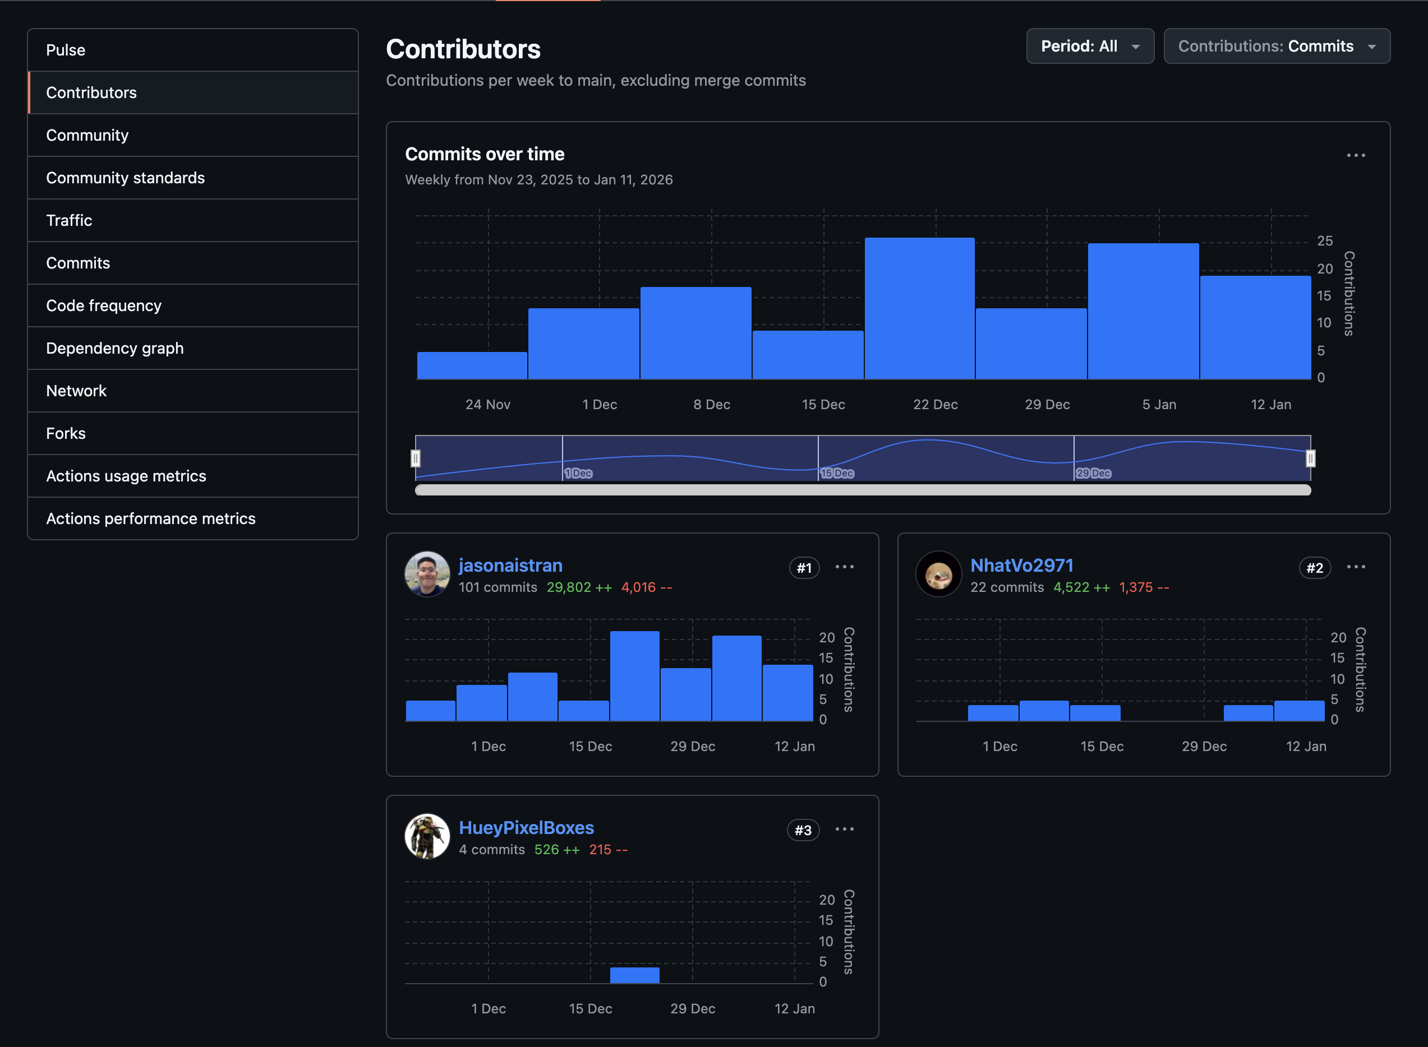

Member's Contributors:
jasonaistran: Tran Minh Triet - s3979253
NhatVo2971: Vo Phuc Duy Nhat - s3868763
HuyPixelBoxes: Pham Quang Huy - s3926751

